Sheet1
Time | Name | address | cusine | Travel distance | Travel time | Travel method
Day 1
11:00 A.M. | Tacos El Pampano | 1812 US-231, Crawfordsville, IN 47933 | Tacos | Start point | Start point | Car
5:00 P.M. | Pico de Gallo Food Truck | 3014 Lafayette Rd #3000, Indianapolis, IN 46222 | Tacos | 53 Miles | 1 hour 1 min | Car
Day 2
11:00 A.M. | Tacos Mexico Food Truck | 3109 South St, Lafayette, IN 47904 | Tacos | 32.2 Miles | 42 Mins | Car
5:00 P.M. | Tortas Food Truck | 311 Sagamore Pkwy N, Lafayette, IN 47905 | Tacos | 0.4Miles | 9 Mins | Walk

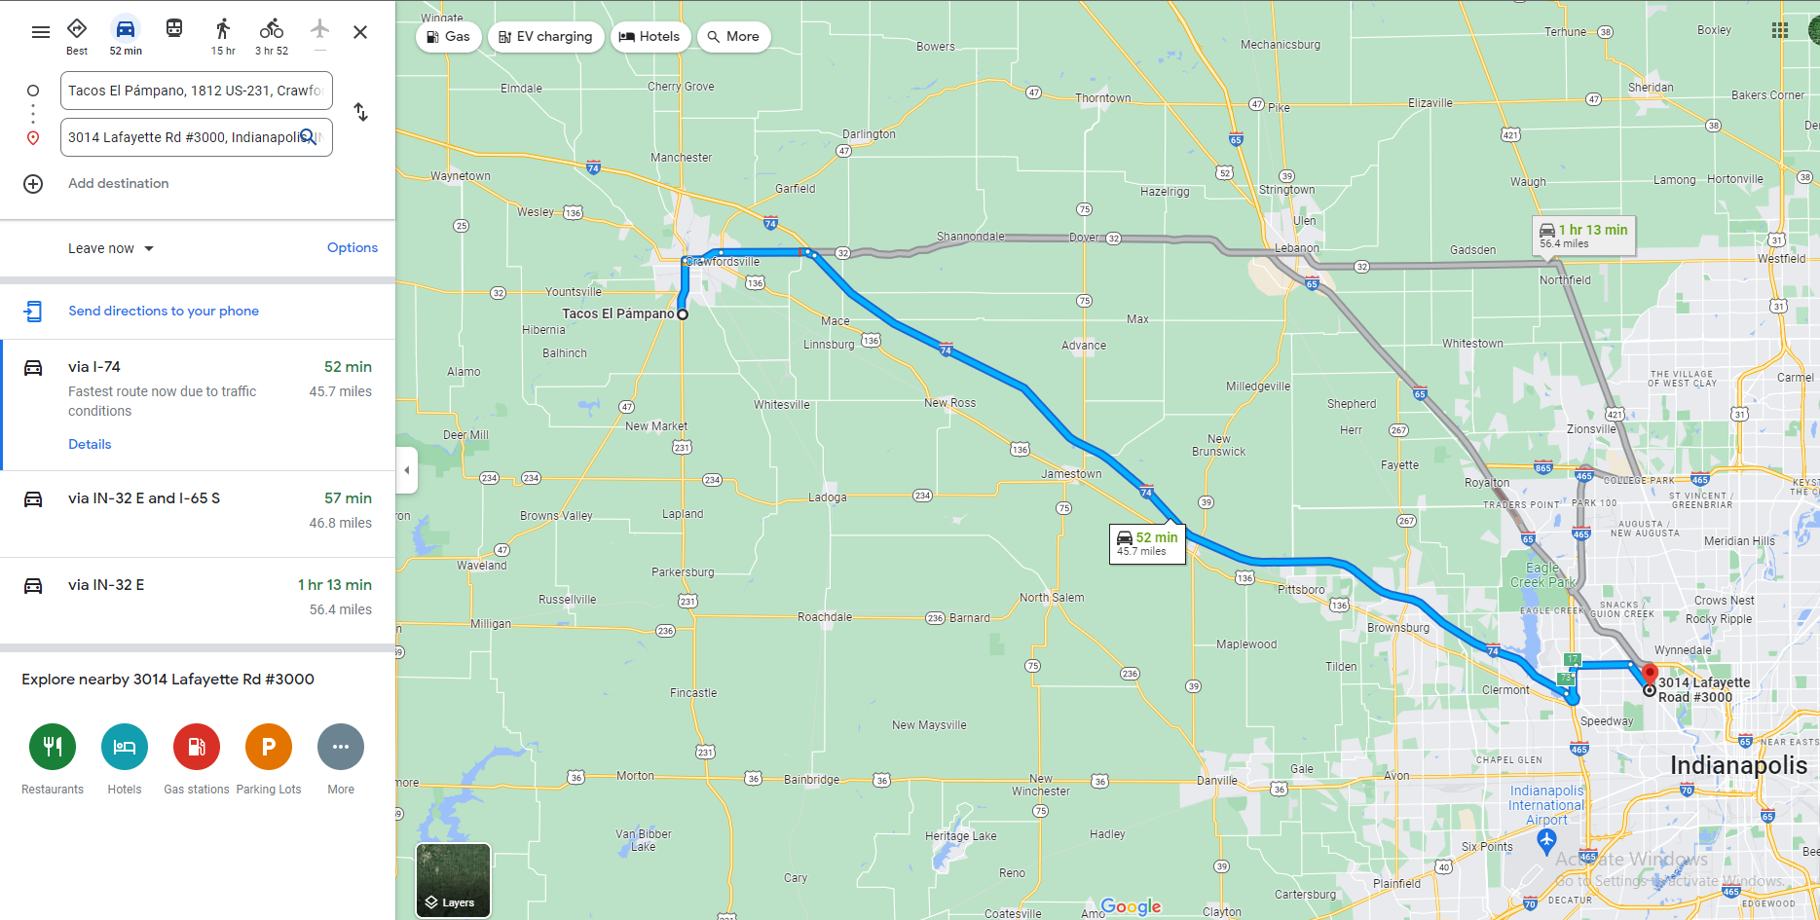
Day 1 travel

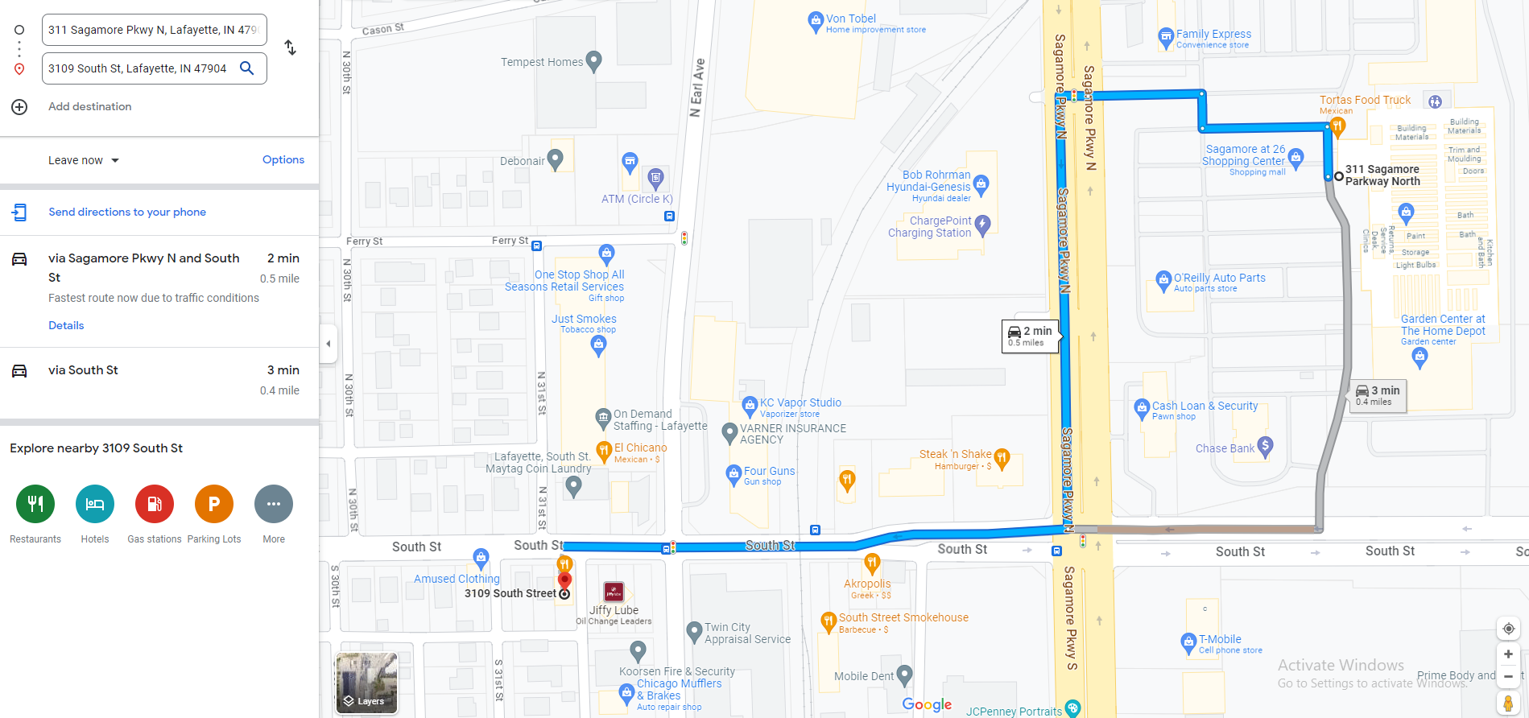
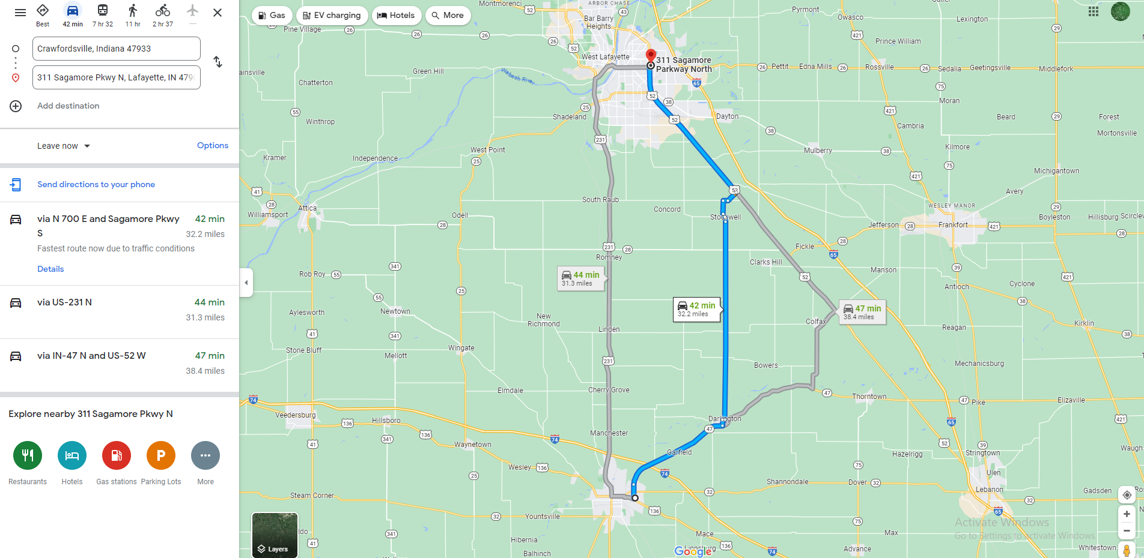
Day 2 Travel

